Script
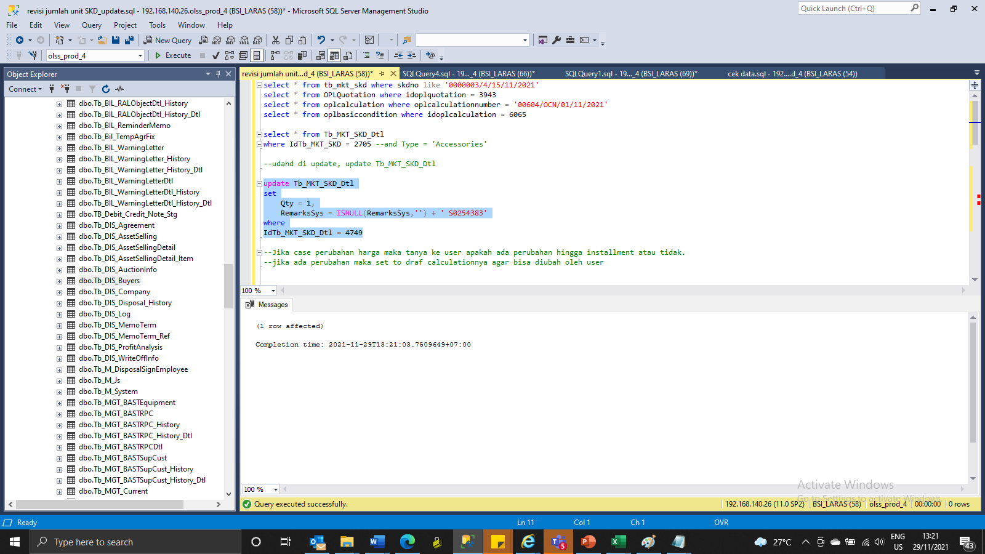
update tb_MKT_SKD_Dtl
set
Qty = 1,
RemarksSys = ISNULL(RemarksSys,'') + ' S0254383'
where
IdTb_MKT_SKD_Dtl = 4749

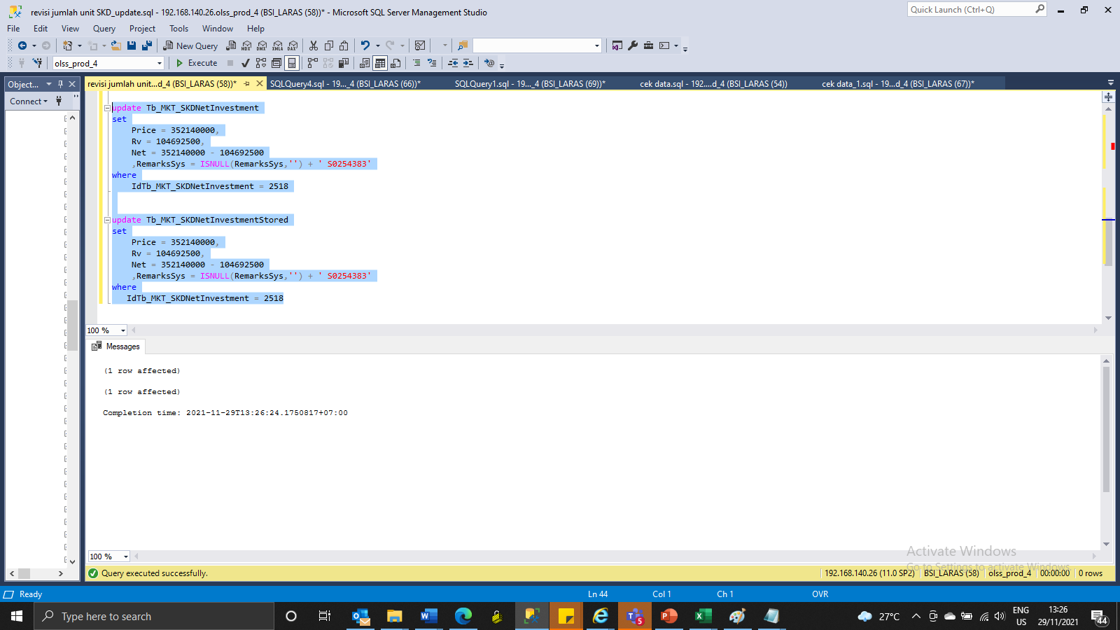
update Tb_MKT_SKDNetInvestment
set
Price = 352140000,
Rv = 104692500,
Net = 352140000 - 104692500
 | ,RemarksSys = ISNULL(RemarksSys,'') + ' S0254383'
where
IdTb_MKT_SKDNetInvestment = 2518

update Tb_MKT_SKDNetInvestmentStored
set
Price = 352140000,
Rv = 104692500,
Net = 352140000 - 104692500
 | ,RemarksSys = ISNULL(RemarksSys,'') + ' S0254383'
where
IdTb_MKT_SKDNetInvestment = 2518

Capture
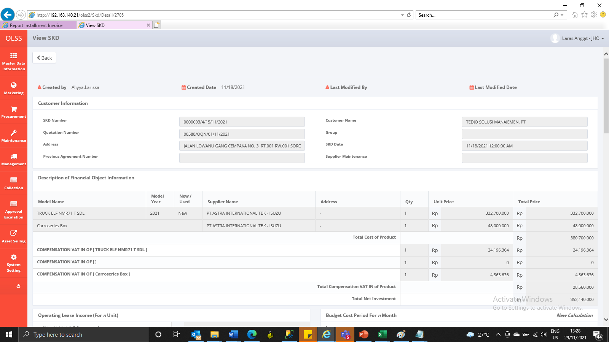
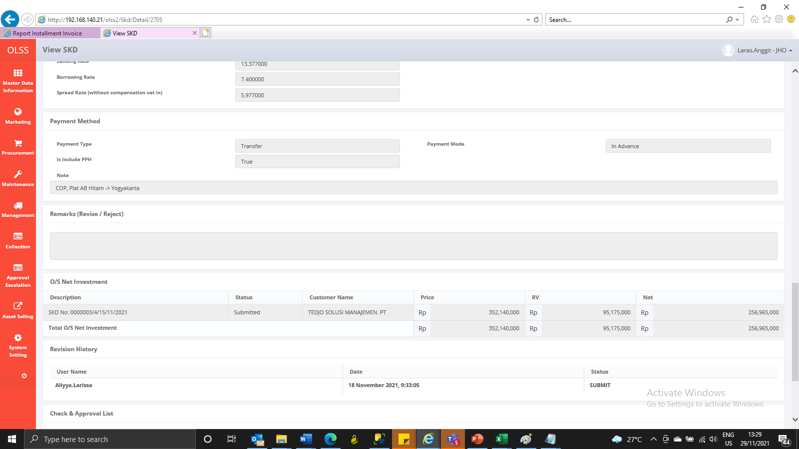
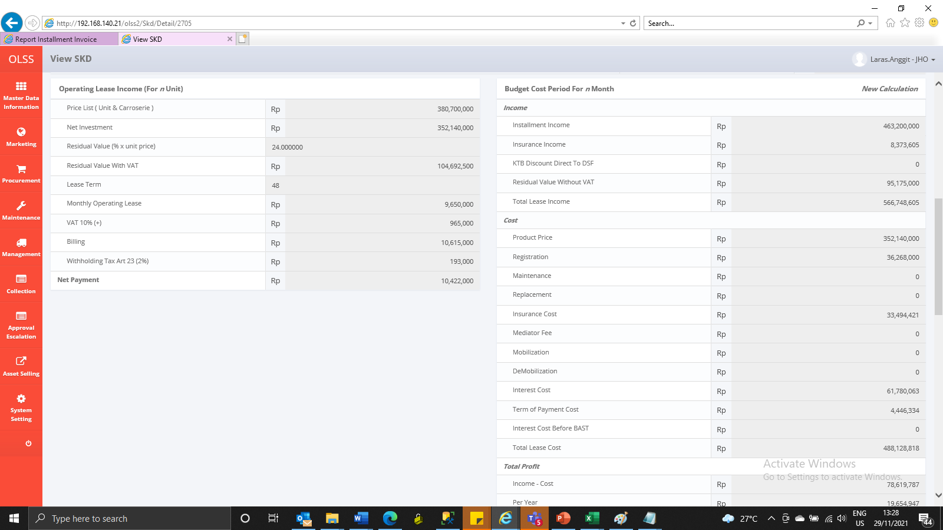
Before
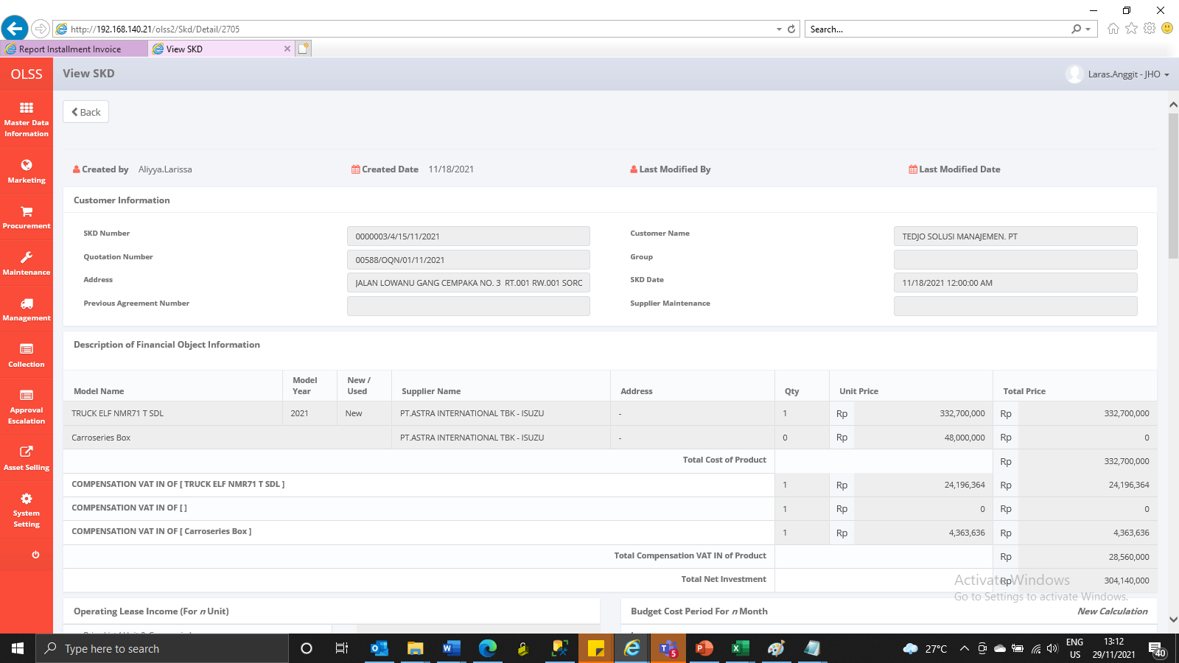

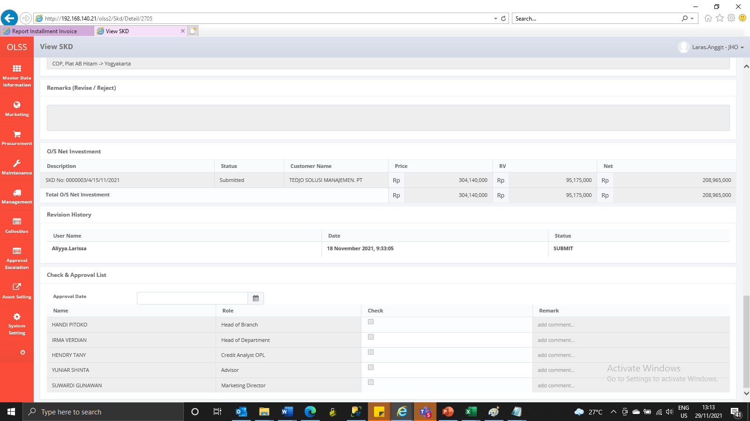

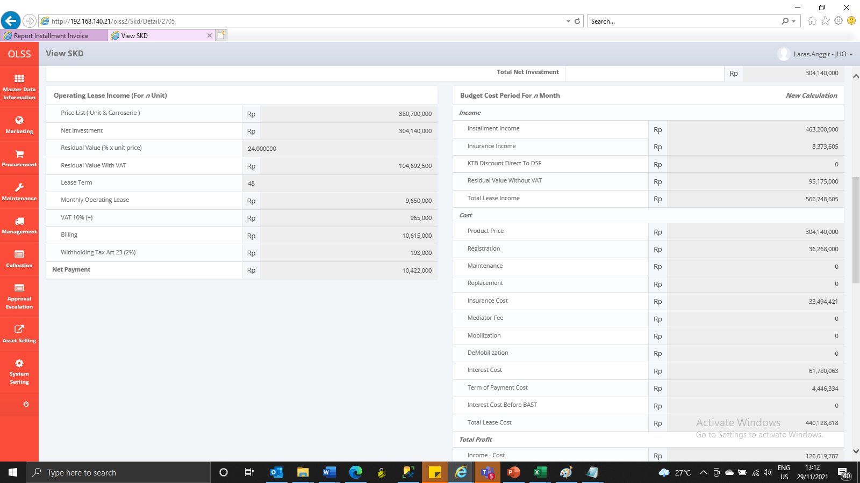

After

